T_order_details
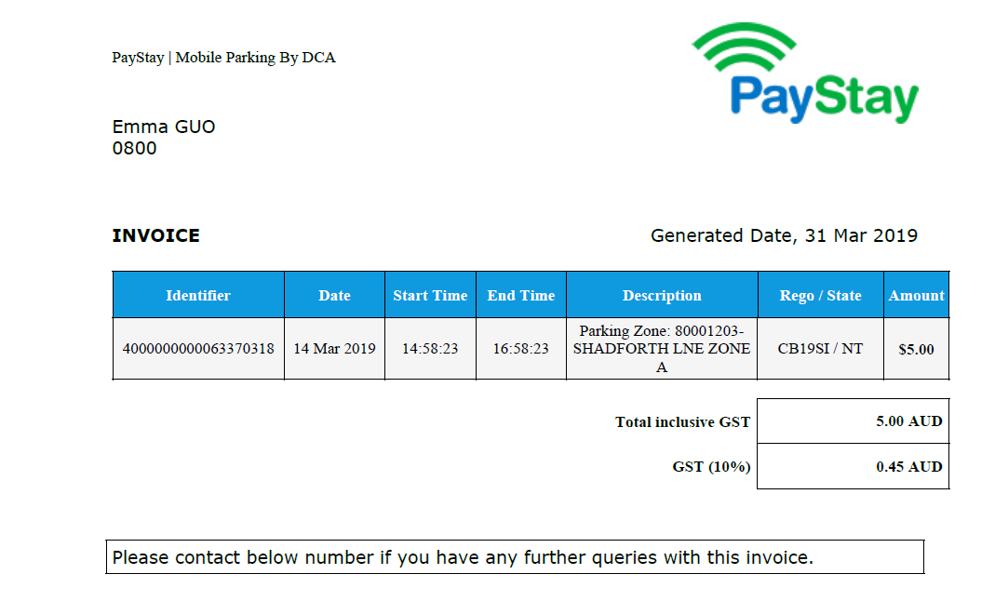
Schema | geosensing
Table Name | T_order_details

Column No. | Column_name | Data type | column length | Index | Remark
1 | order_id | varchar2 | 10 | PK
2 | start_time | date |  |  | booking time start from
3 | end_time | date |  |  | booking time end by
4 | parking_id | varchar2 | 10
5 | slot_id | varchar2 | 10
6 | recepit_no | varchar2 | 10 |  | start with 5 bit number
7 | order_status | varchar2 | 10 |  | 0' - UNPAID '1'- PAID
8 | Amount | number | 10 |  | Current $
9 | user_id | varchar2 | 10
10 | create_date | date |  |  | date of creating order

